staff_csvfile-5 (1)
biometric_id | employee_id | prefix | ug_qualification | pg_qualification | higher_qualification | qualified_exam | subject_specialization | additional_qualification | qualification | work_exp | name | surname | father_name | mother_name | contact_no | emergency_contact_no | email | dob | marital_status | date_of_joining | date_of_leaving | local_address | permanent_address | note | gender | account_title | bank_account_no | bank_name | ifsc_code | bank_branch | payscale | basic_salary | esi_no | contract_type | shift | location | facebook | twitter | linkedin | instagram | resume | joining_letter | resignation_letter | designation | department | category_id | aadhaar_no | religion | caste | blood_group | country | state | pincode | previous_salary | uan_no | pan_no | previous_institution | subject_expertise | role
5006 | MAASC007 | Mrs | B/DIT | MBA | MBA |  | HR/MARKETING | SHOT HAND TYPING,COUNSELLING | MBA | 13 YRS | SANTHI VIRGINIA A J | M J GEORGE | M L ANTHIAH | A KANIKAI MARY | 9655040234 | 9004957122 | virginia888g@gmail.com | 1973-08-08 | Married | 29/07/2013 |  | No.2/57,madha koil street,manampathy kandikai ,manampathy,uthitamerur | No.2/57,madha koil street,manampathy kandikai ,manampathy,uthitamerur |  | FEMALE | SAVINGS | 587551335 | INDIAN BANK | IDIB000M096 | MANAMPATHY | 21000 | 8400 |  |  |  | MANAMPATHY | NO | NO | NO | NO |  | 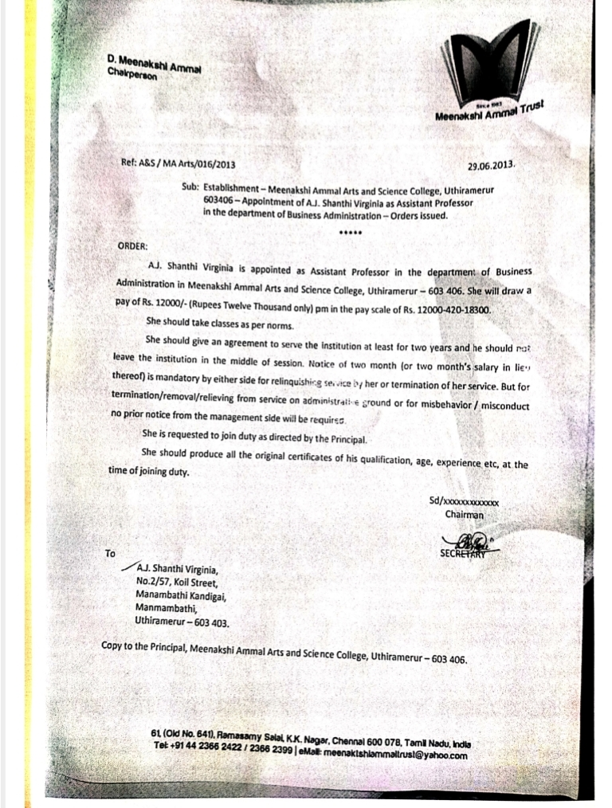 |  | HEAD COME ASSISTANT PROFESSOR | BBA |  | 211823158018 | CHRISTIAN | BC | O+ | INDIA | TAMIL NADU | 603403 | NO | 100794694798 | DXTPS7335R | NO | MANAGEMENT,ACCOUNTS | ASSISTANT PROFESSOR
5014 | maasc020 | Mr | B.Sc Maths | MBA | (PH.D) |  | HR/MARKETING |  |  | 10 YRS | THANIGAIVASAN B |  | BALAJI K | VIJAYALAKSHMI P | 9629328989 | 9443641624 | btvasanlic@gmail.com | 23/06/1986 | Married | 18/01/2017 |  | NO.8/26,METTU STREET, UTHIRAMERUR | NO.8/26,METTU STREET, UTHIRAMERUR |  | MALE | SAVINGS | 7133502668 | INDIAN BANK | IDIB000U032 | UTHIRAMERUR | 20000 | 7857 |  |  |  | UTHIRAMERUR | YES | YES | NO | YES |  | 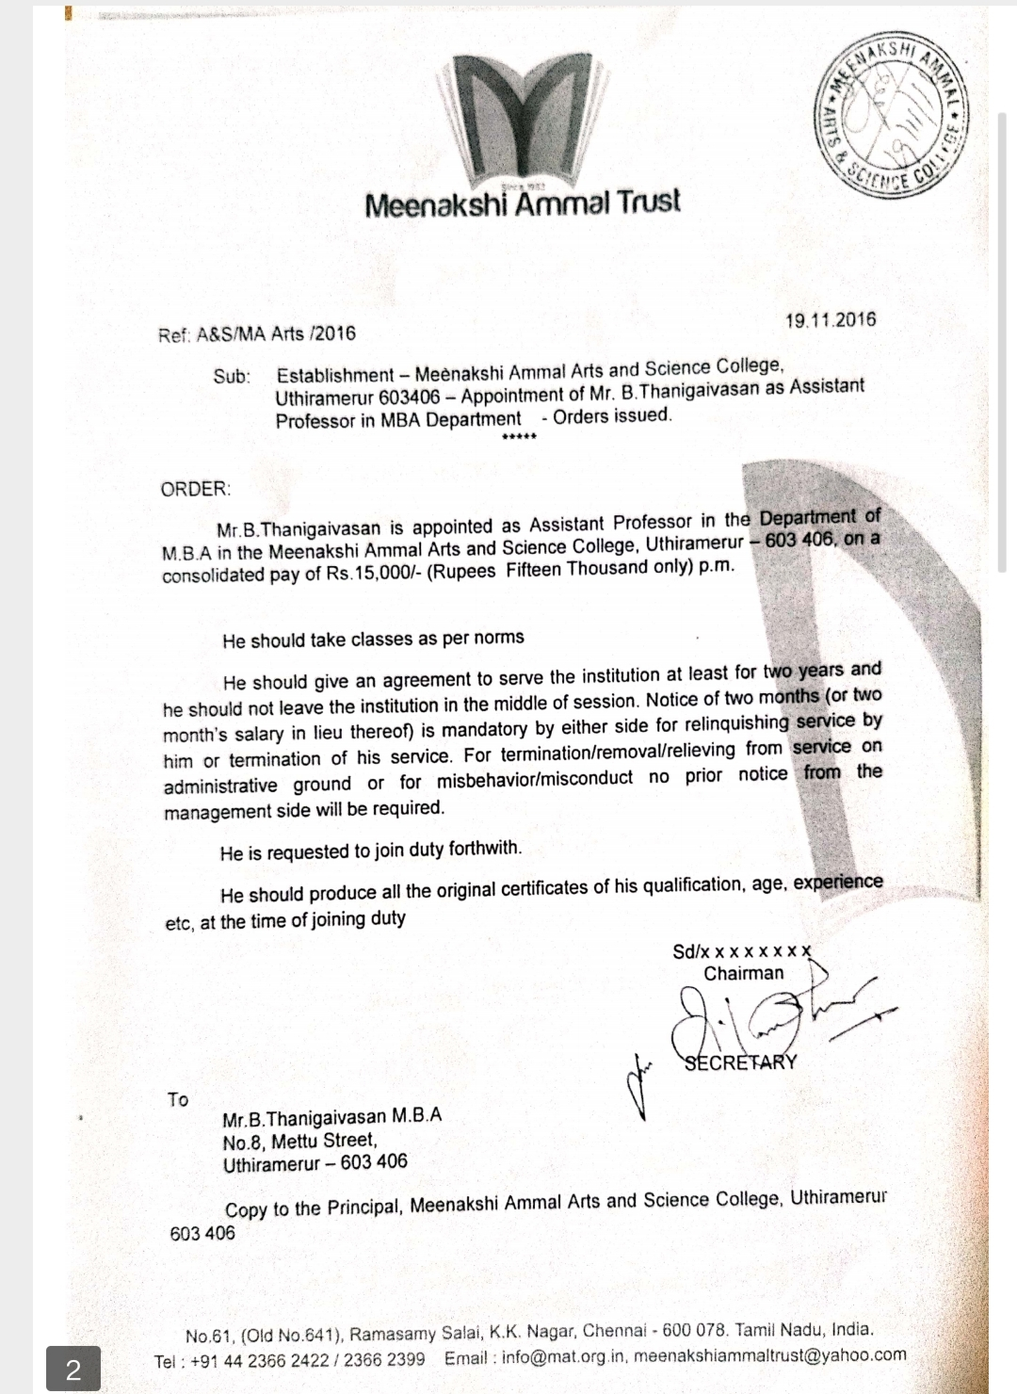 |  | ASSISTANT PROFESSOR | BBA |  | 255395598789 | HINDU | MBC | O+ | INDIA | TAMIL NADU | 603406 | 21000 | 101051722285 | ALNPT4512A | KANCHI PALLAVAN ENGINEERING COLLEGE | MANAGEMENT SUBJECTS | ASSISTANT PROFESSOR
5049 | MAASC090 | Mrs | BBA | MBA | M.PHIL |  | HR/MARKETING | TALLY ERP 9 | M.PHIL | 3 YRS | RUBINI | JAGAN | JOHN | JENIFER | 8778226954 | 9884292451 | rubyjohn1722@gmail.com | 1996-12-06 | Married | 2023-03-07 |  | NO.22, AP CHATHIRAM,UTHIRAMERUR,KANCHIPURAM. | NO.22, AP CHATHIRAM,UTHIRAMERUR,KANCHIPURAM. |  | FEMALE | SAVINGS | 6730543421 | INDIAN BANK | IDIB000U032 | UTHIRAMERUR | 16500 | 6600 |  |  |  | AP CHATHIRAM | NO | NO | Rubyjohn@1722 | jaganwife-@17 |  | 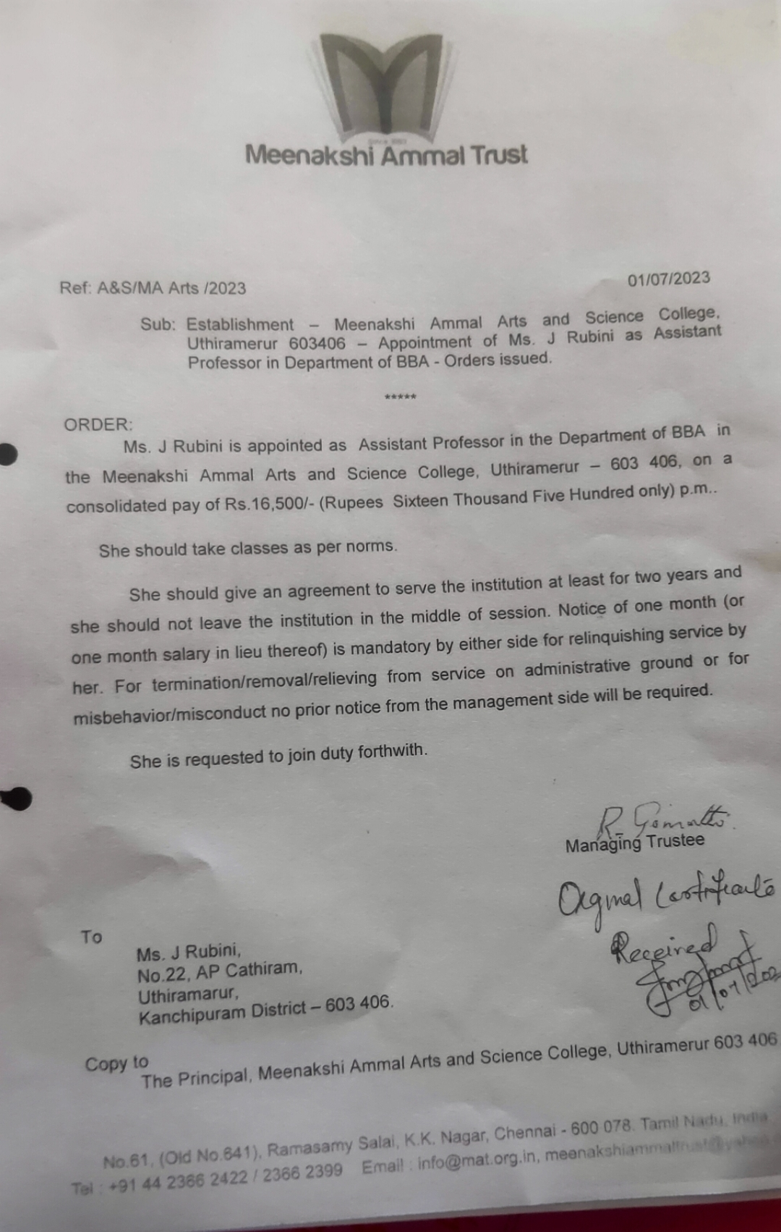 |  | ASSISTANT PROFESSOR | BBA |  | 833572047107 | CHRISTIAN | BC | O+ | INDIA | TAMIL NADU | 603406 | 22204 | 102254210682 | CMMPR0383K | AKSHAYA COLLEGE OF ARTS AND SCIENCE,PUZHUTHIVAKKAM | MANAGEMENT,ACCOUNTS | ASSISTANT PROFESSOR

